Models
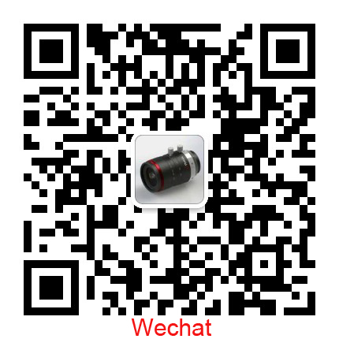
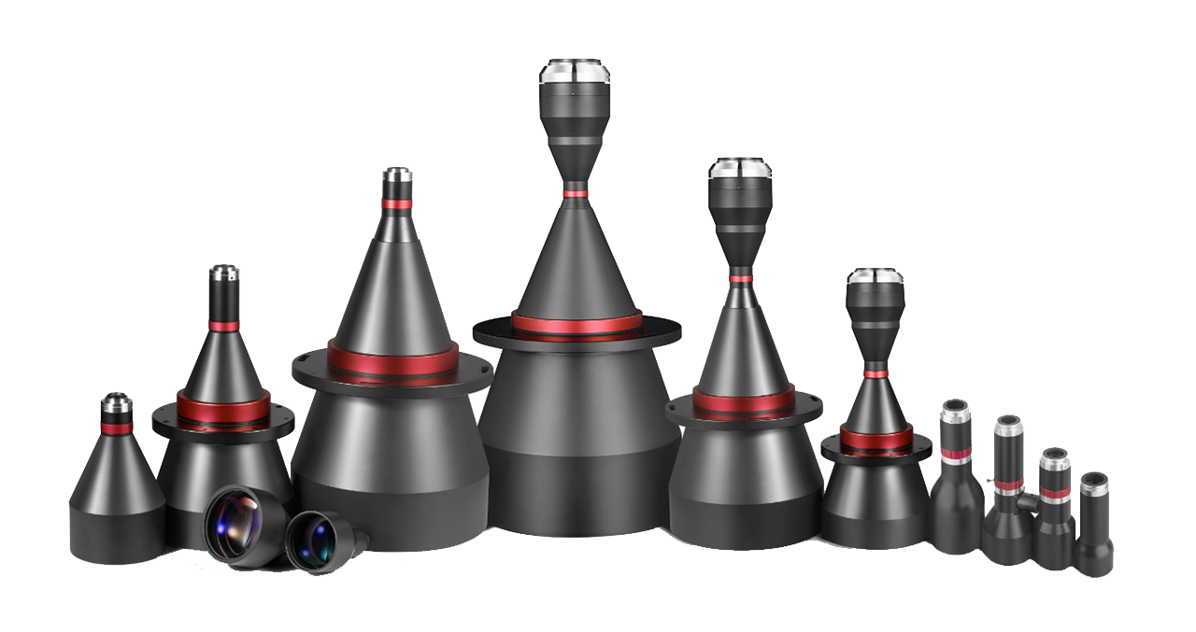
TELECENTRIC LENS | No | Serial | Models
Standard | 1 | STCD Double Telecentric Lens | 227
 | 2 | STCA Manual Iris Double Telecentric Lens | 19
 | 3 | STL Telecentric LED Lighting | 20
 | 4 | SWK AOI Telecentric Lens ( King level quality ) | 27
 | 5 | SWH Megapixel Telecentric Lens ( High level quality ) | 54
 | 6 | SWL Standard Telecentric Lens ( Standrd level ) | 51
 | 7 | More lenses, pls email us via: sales@soyocctv.com

sales@soyocctv.com |  | www.soyocctv.com | Skype/Wechat: soyocctv

