Models
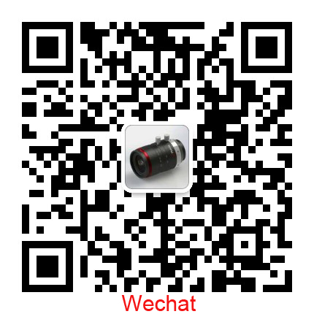
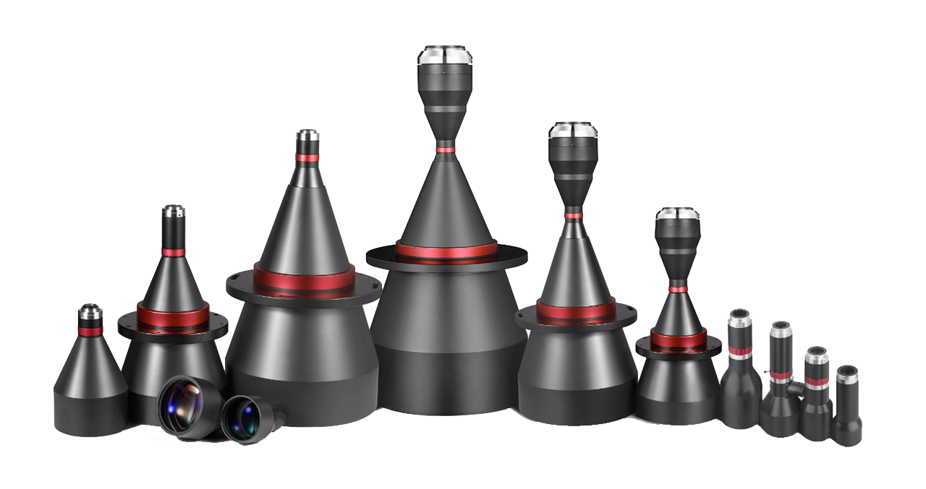
TELECENTRIC LENS | No | Serial | Models
Standard | 1 | SDM Double Telecentric Lens | 300+
 | 2 | SDA Manual Iris Double Telecentric Lens | 50+
 | 3 | SDL Telecentric LED Lighting | 50+
 | 4 | SWK AOI Telecentric Lens ( King level quality ) | 50+
 | 5 | SWH Megapixel Telecentric Lens ( High level quality ) | 100+
 | 6 | SWL Standard Telecentric Lens ( Standrd level ) | 100+
 | 7 | SAV standard anti-vibration lens | 38+
 | 8 | More lenses, pls email us via: sales@soyocctv.com | 700+

sales@soyocctv.com |  | www.soyocctv.com | Skype/Wechat: soyocctv

